Nichod.tf
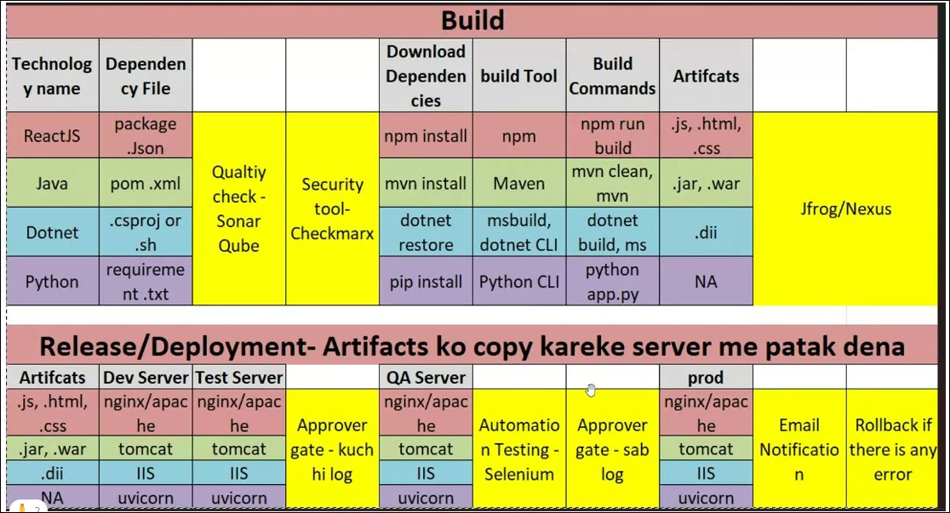
Terraform | 1 | 6. What is a state file in Terraform?
Pipeline | 93 | What is the difference between Build Pipelines and Release Pipelines? / What are the Steps involved in Build and release ?
Pipeline |  | Build Pipelines are used to Compile, test, and package the code. It Usually triggered by code changes (CI). it Generates build artifacts (e.g., .zip, .dll). Stages -> Focuses on code validation: compile, test while Release Pipelines are used to Deploy the build artifacts(Packaged Code) to various environments (Dev, QA, Prod) . It Usually triggered by a successful build (CD). it Consumes build artifacts and deploys them. Stages--> Focuses on environment-based deployment stages
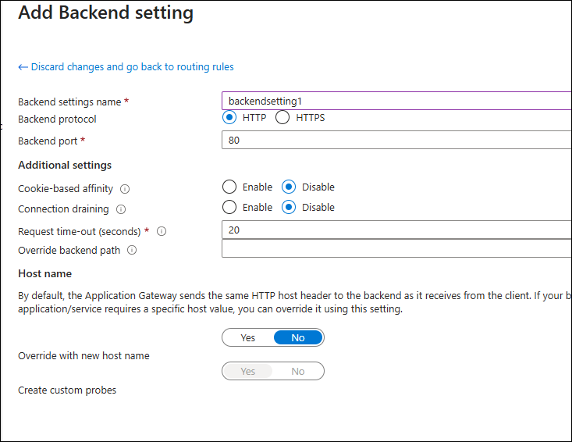
Pipeline |  | 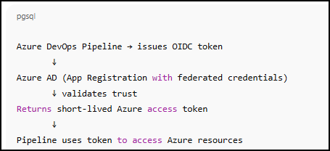 In Build and Release Step Involved: 1. Build Pipeline: This ensures the code is ready for deployment. • Source Code: Code repository se source code fetch karna. • Build: Code ko compile karna aur binaries/tarballs create karna./ download & install the dependencies • Test: Automated tests chalana (unit tests, integration tests)./ scan the code by sonarqube • Artifacts: Build artifacts ko store karna (e.g., .zip, .tar files). 2. Release Pipeline: • Artifact Fetch: Build se artifacts ko fetch karna. / normally artifect ko azure artifect pr store krte hai • Deploy: Artifacts ko target environment (staging/production) mein deploy karna. • Tests: Post-deployment tests chalana. • Approval: Manual approval (if needed) before production release. | In Build and Release processes: 1.)Build: Code is compiled, tested, and packaged into deployable artifacts. This ensures the code is ready for deployment. 2.)Release: The packaged code is deployed to various environments, such as development, qa or production, following automated steps. 3.)Deploy: The final artifact is rolled out to users, and monitoring is done to ensure everything works as expected. These steps ensure code is reliably built, tested, and delivered to end users.
Pipeline
Pipeline | 94 | What is Azure DevOps Artifacts? / What is the purpose of Pipeline Artifacts? / JFROG, Nexsus
Pipeline |  | Azure Artifacts is a service in Azure DevOps that lets you create, host, and share packages like libraries, tools, or build outputs — all in one secure location.
Pipeline |  | Pipeline Artifacts are used to store and share files between stages and jobs within a pipeline. They can be used for sharing build outputs, logs, or other files.
Pipeline
Pipeline | 95 | Basic things required to setup ci/cd pipelines
Pipeline |  | To set up a CI/CD pipeline, you'll need: 1.)Source Code Repository (Azure Repos or GitHub): A place like GitHub or GitLab to store and manage your code. 2). Build Agent / Agent Pool 3.) CI/CD Tool (Azure DevOps Pipelines)( Build, Test & packagin Tools): Tools like Jenkins or Azure DevOps to automate building, testing, and packaging your code. (Build Agent- Agent pool) ,Build/Validate, plan , deploy) 4.)Deployment Configuration ( Terraform backend, Service connections and YAML pipeline) : Scripts or configurations to automate deploying your code to various environments, ensuring it runs smoothly. 5 & 6 are optional but recommended 5. Stages & Environments ->Define stages like Dev, QA, Prod 6. Secret Management --> Use Azure Key Vault or Azure DevOps Variable Groups to store sensitive info securely. These components work together to automate and streamline your software development and deployment process. in other words 1. Source Code Repository 2. Pipeline Definition 3. Build Agent / Agent pool 4. Build Stage (CI) 5. Artifacts 6. Release Stage (CD) 7. Environments & Variables 8. Triggers | What is key component of Azure DevOps? 1. Azure Boards -- like jira, Used for project management and tracking. 2. Azure Repos --like git , Provides version control for your code. 3. Azure Pipelines --cicd tool 4. Azure Test Plans --> Provides tools for manual and exploratory testing. 5. Azure Artifacts --> used to store artifacts, like jenkin --> Allows managing and sharing packages.
Pipeline
Pipeline | 96 | What is agent less job in the pipeline.and tell me example.
Pipeline |  | An agentless job is a special type of job in Azure Pipelines that does not require a build agent (Microsoft-hosted or self-hosted) to run. It’s typically used for approvals, external service triggers, REST API calls, or waiting/delay steps.
Pipeline
Pipeline | 97 | What are Azure Pipelines agents? /What are the agents in CI/CD Pipelines ?
Pipeline |  | Agents are tools or machines that execute the tasks defined in your pipeline, such as building, testing, or deploying code. They can be either Microsoft-hosted agents((provided by the CI/CD service)) or self-hosted agents(managed by your team) for more control. Agents ensure that the pipeline tasks are carried out on the appropriate environment and resources.
Pipeline
Pipeline | 98 | What is the difference b/w Self hosted and Azure Hosted agent/Pipelines ?
Pipeline |  | Azure Hosted Pipelines are managed by microsoft and provide pre-configured environments for running builds and deployments, simplifying setup but with limited customization. Self-Hosted Pipelines are managed by your team, allowing you to use custom environments and tools, but require more setup and maintenance. The choice depends on your need for flexibility versus convenience.
Pipeline |  | Feature Azure-Hosted agent Self-Hosted agent 1. Infrastructure Managed by Microsoft You manage and maintain your own agent machine 2. Setup Time Quick — ready out-of-the-box Requires manual setup and maintenance 3. Customization Limited (pre-installed tools only) Fully customizable — install any software you need 4. Cost Free for limited minutes per month No Microsoft charge, but you bear infra costs 5. Performance Shared agents, performance may vary Dedicated agents, usually faster and consistent 6. Network Access Limited to public endpoints Can access private networks, internal systems 7. Auto Scaling Not supported You can set up autoscaling with scripts or tools | ISC APN C
Pipeline
Pipeline | 99 | How do you implement approval gates in Azure Pipelines?
Pipeline |  | 1. Configure manual validation or manual intervention or approval gates in the release pipeline to require approval before deploying to certain environments. 2. from the library --> select variable group --> approval and checks --> approval ( you can set pre-check approval , approval for deployment and post check apporvals) 3. From Project Setting --> Repos--> Select your Repo -> approval and checks
Pipeline
Pipeline | 100 | How do you manage dependencies in Azure Pipelines?
Pipeline |  | Managing dependencies ensures that your pipeline runs in the correct order. (we use dependson: )
Pipeline |  | 1. Stage and Job Dependencies (Execution Order) --> Control the flow between stages and jobs using dependsOn.
Pipeline |  | 2. Artifact Dependencies--> Pass build outputs (like compiled code or packages) between stages using Pipeline Artifacts. # Publish - task: PublishPipelineArtifact@1 inputs: targetPath: '$(Build.ArtifactStagingDirectory)' artifactName: 'drop' # Download in next stage - task: DownloadPipelineArtifact@2 inputs: artifactName: 'drop'
Pipeline |  | 3. External Dependencies (Packages/Modules)--> npm install for Node.js pip install for Python dotnet restore for .NET terraform init for Terraform module/backend dependencies
Pipeline |  | 4. Service Connections & Key Vault --> Manage infrastructure or secret dependencies via: Azure Service Connections (for ARM, AKS, etc.) & Azure Key Vault (for credentials/secrets)
Pipeline |  | 5. Template Reuse (YAML Includes) --> Use YAML templates to share common steps or dependencies across pipelines:
Pipeline
Pipeline | 101 | What are Service Connections in Azure DevOps?
Pipeline |  | A Service Connection is a feature of Azure DevOps by this you can connect Azure DevOps to external systems, like Github, AWs, Docker Hub, Azure. It allows Azure Pipelines or Repos to deploy resources securely. It uses a Service Principal behind the scenes. Ye pipeline ke liye ek authentication bridge banata hai.
Pipeline |  | To create a serivce connection we have to give --> Tenent ID, App client ID,Subscription Name & ID & copy Issuer and Value these values required during creation of WIF
Pipeline |  | Steps to Create a Service Connection in Azure DevOps
Pipeline |  | Step 1: Go to Project Settings --> Select Service Connections --> Click “New service connection” --> For Azure deployments → Select Azure Resource Manager. ( For Docker → Select Docker Registry.) ( For Kubernetes → Select Kubernetes.)
Pipeline |  | step 2 --> Select App registration or manage Identity Manual --> select Workload Identification fedration --> Give any Name in Service connection --> give tenent ID and click on next --> Copy Issuer and Value ( require in step2) --> App client ID ( copy it from Step 1 ) --> subscription name and ID -->Grant access permission to all pipelines
Pipeline |  | Steps 1. Register an app in Azure AD portal. 2. Enable Federated Credentials → add issuer (e.g., GitHub Actions). ( you will get this while creating serice connection in Azure DevOps) ( Step 4) 3. Assign IAM roles to the app (like Contributor). 4. In Azure DevOps, Go to your project -->Project Setting -->Pipeline --> service connection --> create a service connection → Azure Resource Manager --> App registration or manage Identity Manual --> Workload Identification fedration --> Give any Name in Service connection --> tenent ID --> Copy Issuer and Value ( require in step2) --> App client ID ( copy it from Step 1 ) --> subscription name and ID --> Grant access permission to all pipelines
Pipeline
Pipeline | 102 | How do you handle multiple environments in Azure DevOps?
Pipeline |  | Use deployment pipelines with multiple stages and environments, each with its own settings and approval processes.
Pipeline |  | Managing multiple environments (like Dev, QA, Staging, Prod) is essential for a stable CI/CD pipeline.
Pipeline |  | For This we can use 3 type of practice
Pipeline |  | 1. Creating Seprate and dedicated pipeline for each environment
Pipeline |  | 2. Using Parameter (or Use Variable Groups) and Template -- To Call Paramteter syntex is ${{parameters.name}} so here name is ${{parameters.environment}} trigger: none ## - main pool: Mahakal1 parameters: - name: environment displayName: Select Environment default: dev values: - prod - dev - pre-prod - sandbox - qa
Pipeline |  | 3. Use Stages for Each Environment in YAML -->Each stage targets a specific environment. trigger: - main - feature* stages: - stage: Dev jobs: - job: DeployDev steps: - script: echo "Deploying to Dev" - stage: QA dependsOn: Dev jobs: - job: DeployQA steps: - script: echo "Deploying to QA" - stage: Prod dependsOn: QA jobs: - deployment: DeployProd environment: 'Production' strategy: runOnce: deploy: steps: - script: echo "Deploying to Prod"
Pipeline
Pipeline | 103 | How Many Ways Can You Trigger a Pipeline in Azure DevOps?
Pipeline |  | Trigger Syntax --> trigger: none|string list| batch, branches, paths, tags trigger: batch: boolean # Whether to batch changes per branch. branches: # Branch names to include or exclude for triggering a run. include: [ string ] # List of items to include. exclude: [ string ] # List of items to exclude. paths: # File paths to include or exclude for triggering a run. include: [ string ] # List of items to include. exclude: [ string ] # List of items to exclude. tags: # Tag names to include or exclude for triggering a run. include: [ string ] # List of items to include. exclude: [ string ] # List of items to exclude
Pipeline |  | 1. Manual Trigger (Run Pipeline Button)--> Manual + parameter select trigger // parameter comes above trigger and no need of trigger parameters: - name: environment type: string default: dev
Pipeline |  | 2. CI Trigger (Continuous Integration) --> branch trigger trigger: branches: include: - main - feature/* or trigger: - main - feature/*
Pipeline |  | 3. Path-based Trigger --> Trigger only when specific files/folders are changed. trigger: branches: include: - main paths: include: - app/devlopement - app/production - terraform/
Pipeline |  | 4. Tag-based Trigger-->
Pipeline |  | 5. PR Trigger (Pull Request Validation) -> Runs on Pull Request creation/update pr: branches: include: - main
Pipeline |  | 6. Pipeline Trigger (Pipeline-to-Pipeline) --> Trigger a pipeline when another pipeline completes. trigger: none # Disables CI trigger pr: none # Disables PR trigger #Lavjeet.yml in Pipeline A steps: - task: PublishPipelineArtifact@1 inputs: targetPath: '$(Build.ArtifactStagingDirectory)' artifact: drop #In Pipeline B (target pipeline) resources: pipelines: - pipeline: lavjeet_artifact_pipeline # A logical name (your choice)(you can use this name in download steps) source: Lavjeet # as my pipeline A name is Lavjeet.yml so give the pipeline name without .yml # Real name of Pipeline A in DevOps trigger: branches: include: - main # main branch of Pipeline A should trigger this trigger: none # disables CI trigger for Radha.yml/ pipeline_B.yml pool: vmImage: ubuntu-latest jobs: - job: Deploy steps: - download: lavjeet_artifact_pipeline # 👈 logical name used above artifact: drop - script: echo "Deploying from artifact..." | Pipeline B should be run afte Pipeline A. How we will achive this. Pipeline-to-pipeline triggers allow you to automatically start one pipeline when another completes. Pipeline A: build-pipeline.yml (runs first) & Pipeline B: deploy-pipeline.yml (should be triggered when A completes) trigger: none # Disables CI trigger (optional) resources: pipelines: - pipeline: build (jisko run kiye unke complete hone ke bad) # Local alias source: BuildPipeline( pipeline-b.yml) # Name of the triggering pipeline trigger: branches: include: - main
Pipeline |  | 7. Scheduled Trigger -> Runs on schedule (CRON format) schedules: - cron: "0 2 * * *" displayName: Nightly Build branches: include: - main always: true | ┌──────────── minute (0 - 59) │ ┌────────── hour (0 - 23) │ │ ┌──────── day of the month (1 - 31) │ │ │ ┌────── month (1 - 12) │ │ │ │ ┌──── day of the week (0 - 6) (Sunday=0 or 7) │ │ │ │ │ │ │ │ │ │ * * * * *
Pipeline |  | 8. Webhooks / External Trigger -->Trigger the pipeline using Azure DevOps REST API or via service hooks from tools like GitHub or external systems.
Pipeline
Pipeline | 104 | explain variables in pipeline
Pipeline |  | Variables in Pipelinesis a key-value pairs which store reusable data like environment settings,environment names, environment path, resource group names, or configuration values, etc. This makes your pipeline dynamic and easier to maintain.
Pipeline |  | variables:
Pipeline |  | Types of Variables.. --> PER O VSS | Type | Description | | ---------------------------- | ----------------------------------------------------------------------- | | 1. **Pipeline Variables** | Static ya dynamic variables jo YAML ya UI me define kiye jaate hain | | 2. **Environment Variables** | Specific task ya script ke andar ke local env variables | | 3. **Runtime Variables** | during runtime Pipeline ke chalne ke dauraan dynamically set hone wale variables | | 4. **Output Variables** | Ek job ya step se dusre job/step me pass hone wale values | | 5. **Variable Groups** | Shared set of variables reusable across multiple pipelines | | 6. **Secret Variables** | Secure variables jinka value log me mask hota hai | | 7. **System Variables** | Azure DevOps ke predefined variables (like `Build.BuildId`, `Agent.OS`) |
Pipeline |  | 1. Pipeline defined variable ( inline Variable)-->Defined in YAML for reuse in jobs/steps variables: environment: dev location: eastus #during call the variable - script: echo "Deploying to $(environment) in $(location)" variables: WORK_DIR: '$(System.DefaultWorkingDirectory)/todo_infra' # during call the variable workingDirectory: '$(WORK_DIR)'
Pipeline |  | What are variable groups in CI/CD pipelines ? 2.Variable groups--> Variable Groups in pipelines are collections of variables. you can define and manage these variable groups centrally. variable group store values like connection strings or API keys, secrets which can be shared across multiple pipelines. This helps keep your configurations organized and makes it easy to update values in one place. 1.Azure DevOps → Pipelines → Library → Variable Groups → "New Variable Group" 2.Create a group -->Variable Group Name: Devsecret 3.enable"link secrets from Azure KeyVault as Varable" -->provide service connection or subsciption --> after authorization it will show you keyvault Name --. --> click on Authorize -> 3.Variables Add Karo (Dev, QA, Prod ke liye alag values rakh sakte ho) 4. Pipeline Permissions Enable Karo "Allow access to all pipelines" ko enable karo. 5. Save kar do. variables: - group: vmsecrets # Devsecret# This will import all secrets from the linked Key Vault - name : work_dir value: '$(System.DefaultWorkingDirectory)/Env/${{ parameters.environment }}' - task: TerraformTask@5 displayName: Terraform Apply inputs: provider: 'azurerm' command: 'apply' workingDirectory: '$(work_dir)' environmentServiceNameAzureRM: 'Pay-As-You-Go (5ea20413-c4e8-4466-b65d-4b760bc37f1a)' vars: | #( pipe is used for multilple lines) user=$(admin-username) pass=$(adminpassword) | What are variable groups in CI/CD pipelines ? 1. Register an APP in azure and give it
Pipeline |  | 3.Environment variables --> Ye variables pipeline ke run hone ke time pe system environment me set hote hain. Aap inhe tasks ke andar ya script ke time directly use kar sakte ho steps: - script: | echo "Environment: $ENVIRONMENT" echo "User: $USERNAME" env: ENVIRONMENT: production USERNAME: admin Yahaan env: block se environment variables define kiye gaye hain
Pipeline |  | 4.Runtime Variables --> these varible Set During Pipeline Execution. Runtime variables wo hote hain jo pipeline ke chalne ke dauraan (during run) dynamically set ya modify kiye jaate hain. steps: - powershell: | Write-Host "##vso[task.setvariable variable=buildVersion]1.0.$(Build.BuildId)" - script: | echo "Build Version: $(buildVersion)"
Pipeline |  | 4.Secret variables-->Encrypted, masked in logs, not exposed to scripts by default Defined in the UI or variable groups (check the "Keep this value secret" box). script: echo "API Key is $(mySecret)" # will be masked in logs
Pipeline
Pipeline |  | How to you call secret in pipeline
Pipeline |  | 1st create keyvault --> go to IAM to give access "key vault Adminstrator" to your user name and you service principle/App --> then create secrets like user name and Passowrd 2nd --> go to subscription --> IAM --> add roles --> Key vault adminstrator to you and you APP from Job function Role and contributor Roles from privallged Adminstrator Roles.
Pipeline |  | 3rd --> Azure DevOps → Pipelines → Library → Variable Groups → "like Prod_secrets" -->click enable on "link secrets from Azure KeyVault as Varable" -->provide service connection /subsciption --> provide keyvault Name --. it will show Authorize --> click on Authorize -> it will pop and ask azure account username and password to authorize. --> it will download you secrets for that keyvault , now add these secrets in variable and save. for calling in pipeline use --> variables: - group: vmsecrets # Devsecret# This will import all secrets from the linked Key Vault - name: WORK_DIR value: '$(System.DefaultWorkingDirectory)/Env/${{ parameters.environment }}' ## Above syntax is very imp . - task: TerraformTask@5 displayName: Terraform Apply inputs: provider: 'azurerm' command: 'apply' workingDirectory: '$(work_dir)' environmentServiceNameAzureRM: 'Pay-As-You-Go (5ea20413-c4e8-4466-b65d-4b760bc37f1a)' vars: | #( pipe is used for multilple lines) user=$(admin-username) pass=$(adminpassword) When you run pipeline then you will see 2 more task --> Pre-job: Download secrets: lavkeyvault & Download secrets: lavkeyvault ( Downloading secret value for: lavusersecret. & Downloading secret value for: lavpasswordsecret2.)
Pipeline
Pipeline
Pipeline | 105 | What is parameter vs variable in pipeline?
Pipeline |  | Both parameters and variables allow you to make pipelines reusable and dynamic — but they serve different purposes
Pipeline |  | parameters: When you need to decide logic, flow, or structure before the pipeline runs.
Pipeline |  | variables: When you need values that can change during pipeline execution.
Pipeline |  | Parameter Variable Static, resolved at compile-time Dynamic, can change during runtime Used with parameters: block Used with variables: block Good for templates & branching logic Good for strings, paths, secrets Syntax -${{ parameters.name }} Syntax - $(variableName)
Pipeline
Pipeline
Pipeline | 106 | explain conditon based pipeline
Pipeline |  | A condition-based pipeline means executing jobs, stages, or steps only when certain conditions are met - like a specific branch, variable, outcome of a previous step, or custom logic. branch name success/failure of previous steps custom variables manual approvals environment | Functions in Azure DevOps Pipelines Azure DevOps provides a set of built-in functions you can use in your pipeline YAML for writing conditions, expressions, and evaluations. These functions help you control: When a stage/job/step runs How variables are evaluated Logic branching (if/else-like behavior)
Pipeline |  | Syntax: ---> condition: <expression> condition: and(succeeded(), eq(variables['Build.SourceBranch'], 'refs/heads/main'))
Pipeline |  | Common Use Cases & Examples 1. Run Only on Main Branch--> un job only when code is pushed to main. condition: eq(variables['Build.SourceBranch'], 'refs/heads/main') 2. Run Step Only If Previous Step Fails --> Useful for sending alert or uploading logs when something fails. condition: failed() 3.Stage Runs Only If Previous One Succeeds - stage: Deploy dependsOn: Build condition: succeeded() 4. Run on PR Validation condition: eq(variables['Build.Reason'], 'PullRequest') 5. Run only on main branch and when previous stage/ job is succeeded condition: and(succeeded(),eq(variables['build.Sourcebranch'],'main')) | | Function | Description | Example | | ----------------- | ------------------------------- | ----------------------------------------------------------- | | eq(a, b) | Equals | `eq(variables['Build.SourceBranch'], 'refs/heads/main')` | | ne(a, b) | Not equal | `ne(variables['Build.SourceBranch'], 'refs/heads/dev')` | | and(a, b) | Logical AND | `and(succeeded(), eq(variables['env'], 'prod'))` | | or(a, b) | Logical OR | `or(failed(), eq(variables['env'], 'dev'))` | | not(a) | Logical NOT | `not(succeeded())` | | contains(a,b) | True if `b` is substring of `a` | `contains(variables['Build.SourceBranch'], 'feature')` | | startsWith(a,b) | True if `a` starts with `b` | `startsWith(variables['Build.SourceBranch'], 'refs/tags/')` | | endsWith(a,b) | True if `a` ends with `b` | `endsWith(variables['Build.SourceBranch'], '/main')` | | in(a, list) | True if `a` is in the list | `in(variables['env'], 'dev', 'test')` |
Pipeline |  | Condition Description succeeded() Runs only if prior stage/job succeeded failed() Runs only if prior failed always() Runs no matter what canceled() Runs if pipeline was canceled eq(), ne() Compare variables or values
Pipeline
Pipeline | 107 | What is sonar Qube and why we are using in the pipeline. /
Pipeline |  | SonarQube is a static code analysis tool used to check the code quality and security in your CI/CD pipeline. It helps catch bugs, vulnerabilities, code smells, and enforces coding standards before deployment. ( default port used 9000) Code quality Code smells Bugs security of code Security vulnerabilities Code coverage (unit tests)
Pipeline |  | How SonarQube Works in a Pipeline: download sonarQube and install it Start Sonar Scanner (connects to SonarQube server) Analyze code during the CI build Publish report to SonarQube dashboard Enforce Quality Gate (fail build if threshold not met)
Pipeline
Pipeline | 108 | What is Checkov?
Pipeline |  | Checkov is an open-source static analysis tool used to scan Infrastructure-as-Code (IaC) files for security and compliance misconfigurations before deployment. Security, compliance, best practices
Pipeline
Pipeline | 109 | How Does an Upgrade Process Work in a CI/CD Pipeline?
Pipeline |  | An upgrade process in a pipeline typically refers to deploying new versions of your application, infrastructure, or configuration to an environment (Dev, QA, Prod) in a controlled and automated manner. It ensures that updates are consistent, repeatable, and, ideally, zero-downtime.
Pipeline |  | Upgrade Scenarios in Pipelines- Application Upgrade – e.g., new code version to App Service or Kubernetes Infrastructure Upgrade – e.g., updated Terraform code (VM size, AKS version) Configuration Upgrade – e.g., environment variables, secrets, settings
Pipeline |  | Common Upgrade Patterns
Pipeline |  | 1. Blue-Green Deployment --> Deploy new version (Blue), Run validation tests , Switch traffic from old version (Green) to Blue
Pipeline |  | 2. Canary Deployment --> Gradually roll out to a small % of users , Monitor → Gradually increase → Full rollout
Pipeline |  | 3. Rolling Upgrade --> Deploy to one pod/VM at a time (used in AKS, Kubernetes)
Pipeline |  | 4. In-Place Upgrade --> Directly overwrite the old version (less safe)
Pipeline
Pipeline | 110 | what is build policy or branch policy in cicd pipeline
Pipeline |  | In a CI/CD pipeline, build policies or branch policies are rules or conditions that control when, how, and under what conditions code is built, tested, and deployed.
Pipeline |  | A branch policy is applied to specific branches (like main, develop, release/*) to enforce good development practices. Require pull request (PR) before merge Require minimum number of code reviewers
Pipeline |  | A build policy defines how and when a build should be triggered. Auto-trigger build on code push or PR
Pipeline
Pipeline | 111 | Can you explain the end to end flow of CICD implementation?
Pipeline |  | CI/CD End-to-End Flow Overview : Source Code → Build → Test → Artifact → Deploy → Monitor
Pipeline |  | 1. Source Code Management (SCM) --> Developer pushes code to Azure Repos or GitHub. Code includes: ( Application code, Terraform code,YAML pipeline files, Kubernetes YAML or App Service config)
Pipeline |  | 2. Continuous Integration (CI) Pipeline --> we clone the code or if already clone then we do git pull Steps: 1. Checkout code #from main and create a featur branch 2. download / setup the dependencies (Node, .NET, Python, etc.) 3. Run Unit Tests 4. Linting/Security Scans 5. Build Docker Image (if using containers) 6. Publish Build Artifacts App package Helm chart Terraform plan
Pipeline |  | 3. Infrastructure Provisioning (Optional in CD)
Pipeline |  | 4. Continuous Deployment (CD) Pipeline
Pipeline
Pipeline
Pipeline | 112 | How to manage authentication in pipeline
Pipeline |  | To manage authentication in a pipeline, use secrets or environment variables to securely store sensitive information like API keys or passwords. Configure your pipeline to access these secrets when needed, without hardcoding them into your code. This keeps your credentials safe and ensures secure access to resources during pipeline execution.
Pipeline
Pipeline | 113 | What are Pipeline Templates in Azure DevOps?
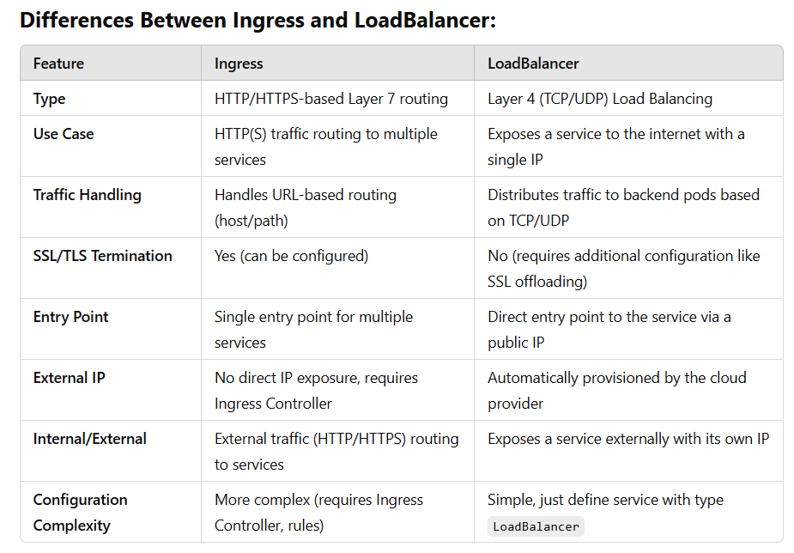
Pipeline |  | Pipeline Templates are reusable YAML files that allow you to define and reuse common pipeline logic & configurations (like build, test, deploy steps) across multiple pipelines or stages and making it easier to maintain consistency and manage common tasks.
Pipeline

Nichod 2
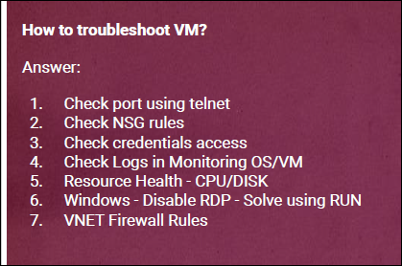
How you setup your Infra Pipeline
Let me tell you how we setup our infra pipeline …
I am assuming that my agent is online, azure repo /git repo and service conection is properly setup between azure portal and ado.
what we do here is that, we are following trunk based branching strategy for our infra deployment
So first we clone the code from repo to our local machine and then we make a feature branch and add whatever is beeing asked like VMs, subnet., in the tfvars file and then we do git add, git commit and git push by git push we push the code to repo
and we rise PR to merge into the main branch. and as soon as we raise PR my pipeline will auto trigger, in this pipeline first satge is for scaning where we are using tfsec for security and vulnerabilities scanning, tflint for linting, code quality, to check unused varialble and best practivce check
once it is passed then it goes for plan stage which includes terraform init, fmt, validate, and plan. By this stage we will get to know what are the resource is beging modiyfy or created or deleted and we redirect this output for future reference .
then it goes for manual validation and apply stage, where approver can validated and verify scanning results and terraform plan. Once he is satisfied with plan then approve the manual validation and approve PR and then code is merged into main and then it goes for Terraform apply. and my resource will be created. and this is how we are doing it.

How you setup your Application Pipeline
In Application pipeline we follow git flow branching strategy , what it means is that branches are longer lived, like hot fixed , relased,
I am assuming that devploer pushed the code by feature branch, as soon as he pushed the code it will trigger my pipeline and first it will for scanning stage where we are using sonarqube tool to check code quality ,Detect bugs, , code smells, vulnerabilities check. Detect bugs,
once code is passed from scanning stage then it goes for next stage which is build stage. I am assuming that our code in reactjs so to build the artifact we require Node.js npm tool.
So in build stage we give task to npm install and npm run build to build the artifacts and then we pushlish these generated artifact to azure artifactory. Because every stage after comlpetion It wipeout the data. That’s why we storing artifacts.
after publishing artifacts it will go for deployment stage, then We install and configure middleware such as NGINX . And then we download these artifacts from azure artifactory/ artifacts and copied to the target path of the middlewayer.
this is how our deployment is done.

How you setup your microservices Pipeline
For the Micro services pipeline, what we do is that , we make 3 sategs and 1st stage is build stage we write multi stage docker file using lightweight base image and the build artifacts are passed to the target path in the base image. and then we make docker custom images by using docker build
then we push this custom image to acr by using az acr login, docker tag and docker push.
then we go for next stage we integrated the triviy tool which scane this image and which do Vulnerability Scanning, Secret Scanning, Misconfiguration Scanning, and also check compliance issues.
after stage we go for next stage i.e. deployment stage where we have written lot of yml files like deployment. Yml, service.yml. Ingress.yml. And configmap secret all menifest files for k8s.
we have a seprate repo for helm and in this stage first we clone the helm repo and it run helm install.
this is how my micro service pipeline is working.

tell me how you setup your pipeline in your project?
To setup Pipeline first we should understand what are the pre-requists to setup a pipeline 1. we require souce code repo 2. Build Agent Detils, 3. CICD Tool and security scanning tools like Azure Deops or jenkins or gitlab cicd & security scanning tool like tfswitch, tfsce, tflint , checkovs ( SonarQube for devploer app code static analisys)--> to automate building, testing, and packaging your code. 5. Deployment configuration -- like service connection, yml files, Backup configuration 6. Secret Management --> setup Azure Key Vault or Azure DevOps Variable Groups to store sensitive info securely.
Few extra thing which we shuold use --> Like Build/ Branch Policy and set reviews so that nobdy can merge without proper approval
after this we wirte multi stage pipeline ---> in 1st stage, we setup scruity scanning tool like tflint, tfsce, checkov in 2nd stage would for planing stage and 3rd stage will be approval and apply stage

How to reduce pipeline time. My pipeline is taking too much time to run how to reduce
1. Check your build agent It should have proper capacity
2. use lightest weight docker images so that your deployment would befaster and also your container performance will icrease
3. Use Caching for Dependencies --> Caching is a technique where frequently accessed data is temporarily stored in a faster storage location (cache) to improve performance and reduce latency when that data is needed again Jo files baar baar download ya generate ho rahi hain (like .terraform, node_modules, docker layers), unko save kar lo and agle run me reuse karo — taa ki time bach jaye. # Save cache for next stages - task: Cache@2 inputs: key: 'terraform | "$(Agent.OS)" | $(WORK_DIR)/.terraform.lock.hcl' path: $(WORK_DIR)/.terraform # Restore Terraform cache restoreKeys: | terraform | "$(Agent.OS)" displayName: Cache Terraform Plugin Directory
3. combine all redundant taks in 1 stage
4. remove all repeated tasks/ job
5. setup apporvals/ manual approval with proper alerting and notification so that approver can approve without delay/ on time

Why Micro services deployment needed/ diff in monolithic vs mirco service and what is the architecture of micro services
Fiirst we should understand the monolithic architecture and problem in it--> In Monolithic/ legecy system - we code everyting/ all the functionlity in a single module and if something goes wrong with any section then your whole system goes down/ crashed. This is a big pain.
So we moved to mircoservices what is the difference between monolithic and microservice --> the architecture of microserivces is devided in serval modules/services and all are independent with eachother. And services are loosly coupled with APIs and they can communicate with eachother with light weight apis/ ( usally HTTPs). Each microservice runs independently and has its own code, so You can develop, deploy, and scale each service independently. Now suppose somethings goes worng with any module / any section, then that particular module /particular services will get impact and other services/module will work properly fine only lacking with that module. and this is the beauty of microservices. For. Example -> let us take an example of flipkart . It has cart section, it has product and catelog section, it has order section, it has payment section, it has user account section, it has review and rating section, Inventory Service, Notification section…if suppose any section go down then other section will run propely.

how are you deploying micro services using k8s in your projects?
Code --> dependency and light weight image --> build --> push to ACR --> Deployment
As i am working on frontend part so let me tell you the process how i am deploying it.. 1.. So first I write a multistage docker file , in first stage i write to pull base image and build the artifact, then 2nd stage i again pull the lightwight image like alpine base image and copy the artifac from 1st stage to this stage. then i build this custome image. by docker build. then 2. then i push that custom images to ACR ( docker Hub) by using az login, docker tag and docker push. 3. Now i use this custom imgeas to deploy. 4. In deployment part there are lot of menifest files we write to deploy any application -- so for deployment we require loadbalancer , deployment controller or deployment file , we requrie servces, we require ingress rules. and whith the help of helm chart and values.yml file , we install/ deploy our application. this is how we are deploying our mircoservices.
To push Docker images to Azure Container Registry (ACR), follow these steps: 1. Login to ACR --> az acr login --name <ACR_NAME> // az acr login --name lavjeet 2. Tag the Image --> docker tag <LOCAL_IMAGE_NAME> <ACR_NAME>.azurecr.io/<REPO_NAME>:<TAG> // docker tag elearn:v1 lavjeet.azurecr.io/elearn:latest 3. Push the Image --> docker push <ACR_NAME>.azurecr.io/<REPO_NAME>:<TAG> // docker push lavjeet.azurecr.io/elearn:latest
if you want to pull it --> docker pull lavjeet.azurecr.io/elearn:latest
containers: - name: myapp image: myregistry.azurecr.io/myapp:latest

how you are deploying with zero downtime
if you are asking for monolithic --> then we are using blue-green and canry deployment strategy
if you aksing for micros services --> then we are using deployment controller with rolling update strategy

How do you ensure High avilability in you project / How do you design for high availability in Azure?
1. Use Availability Zones( 3 zone in 1 region), Enable DR Recovery, Avilability Set (Fault Domain, Update Domian) use of Load Balancers, HPA , VMSS (we can set autoscaling and set max instance and min instance based on cpu memory, duration time ) and it will increase/ decrease 1 by 1
2. Deploy applications across multiple regions.
3. Ensure redundancy and fault tolerance.
1. In micro services -->Use of auto scale of node pool during cluster creation, Enable Availability Zones in AKS cluster , and HPA and controller like deployment , relicaset for high aviability, Use Load Balancer or Ingress, Use StatefulSets with Persistent Volumes
2. In monolithic --> we are using VMSS along with fault domain and update domain.
in Fault domain ( Purpose: Protects against hardware failures. Physical Isolation) --> you have to use different racks for your VMs so if any 1 rack get failed and then your vm will run in other Racks
update Domain --> Purpose: Protects against downtime due to planned maintenance. --> Logical grouping of VMs for updates/restarts.When Azure do maintenance like patching, then azure will do restart to VMs of 1 update domain only . If somethig goes worng during restart then your will be working in other update domain.
Use Availability Zones are physically separate datacenters within a single Azure region
Availability Zones provide physical isolation across regions.
Availability Sets are used to distribute VMs within a data center.
Zones provide higher fault tolerance.

How do you implement a multi-region architecture in Azure?
Use Availability Zones and Regions for fault isolation.
Replicate data and services across regions.
Implement geo-disaster recovery with Azure Site Recovery.

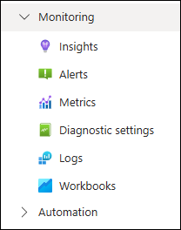

How do you monitor microservices in AKS?
Use Azure Monitor, Log Analytics, and Application Insights.
Enable monitoring at both pod and container levels.
Set up alerts and dashboards for visibility.

How do you perform cost optimization and budgeting in Azure? FinOps
1. Use Azure Cost Management + Billing to track spending. Budgets: Set monthly/quarterly budget limits Alerts: Automatically notify when cost crosses threshold Cost Analysis: View spending per service, resource group, tags, or department In cost Management in auze --> 1. configure Billing account in setup your account , 2. analyze cost in Report on and analyze trends section , 3. view recommendation in Control and optimize costs section
2. Use Auto-shutdown &Auto - Scaling features to reduce unnecessary costs. Dev/Test VMs: Enable auto-shutdown during off-hours Autoscale App Services / AKS: Scale based on load to avoid overprovisioning
3. Use Serverless and PaaS services by this Pay only for what you use — event-driven billing Use Azure Functions, Logic Apps, and App Services instead of full VMs when possible
4. Use only right size resource --> Stop or resize VMs that are oversized or idle or low traffic

What is Azure Automation Account?
Azure Automation account is cloud-based automation platform that automate tasks, manage configurations, and orchestrate repeated processes across your Azure environement. It Reduces manual operations and improves efficiency. (It Can integrate with Managed Identity both syetm generated or usergenerated)
It supports runbooks which support PowerShell or Python scripts that perform tasks (e.g., VM start/stop, cleanup jobs)
it also support Automate task execution on a defined schedule (like cron jobs)
it can also Automate OS updates and patching for VMs
Example Use Cases: Automatically start/stop VMs on schedule Clean up unused resources (e.g., old snapshots, temp disks) Apply patches to Windows/Linux VMs Enforce configuration across multiple machines using DSC

i want to clean all 3 days old file and greater 5MB file for all day in azure
we can do these task by - -mday +1 # >1 day or -mtime - 1 #<1 day # -mmin +1440 or -1440
1. Azure Automation + PowerShell Runbook / python runbook --> Go to your Automation Account → Runbooks → Add schedule
2. we can do same job by function App by Timer Trigger to run daily ( Python, or PowerShell)
3. we can do this by logic app also --> by Using recurrence trigger
4. in k8s we can do this by cronjob. By cron job we can do Log Cleanup, Database Backup , Report Generation , Email/Notification Reminders and many other task
44 4 * * * find /var/opt/swms/tmp/mrf_b* -mmin +3900 -delete / -mtime +3 30 2 * * * find /your/target/directory -type f -size +5M -delete / -type f -size +5M -mtime +3 -delete 30 2 * * * find /your/target/directory -type f -size +5M -mtime +3 -print -delete | mail -s "Deleted Files >5MB Report" lavjeet@gmail.com
what is azure migration.
Azure Migration is the process of moving your on-premises/other cloud infrastructure, VMs, applications, and database, fileserver, network configuration to Microsoft Azure cloud services.
Common Migration Tools:
Azure Migrate --> Central hub for discovery, assessment, migration
Azure Site Recovery (ASR)--> Disaster recovery & VM migration
Database Migration Service--> Move SQL Server, MySQL, PostgreSQL databases
Storage Migration Service--> Migrate file servers to Azure Files
Azure Migration Steps:

How to Update VM in Azure / patch update
To update patches in an Azure Virtual Machine (VM) means install the latest OS updates and security patches in your VM
For Windows VM
Method 1. Using Azure Portal (Manual or Scheduled) --> VM--> Operations → Update management --> Check for updates. , Install updates to apply available or set a schedule using Azure Automation.
Method 2: Using PowerShell (inside the VM) Login to the VM and run: # Search and install updates Install-WindowsUpdate -AcceptAll -AutoReboot
For Linux VM
Ubuntu/Debian: sudo apt update sudo apt upgrade -y
CentOS/RHEL: sudo yum update -y
We can upadate VM via Azure Update Manager
Azure Update Manager --> get started --> you can select 1. Update automatically at scale & 2. On-demand assessment and updates 1. Update automatically at scale --> Assign built-in policies for regularly checking updates at scale & Create schedules to install updates on recurring basis. 1. click Schedule update deployment. --> Configuration name: Give a name to your update schedule. OS type: Windows or Linux. Maintenance scope: Select the target VM(s). Schedule: Choose time and recurrence. Reboot options: Configure reboot behavior (always, if required, never). 2. in Update tab you will see 1. linux machine secuirty and critical update other update 2. Windows machines Critical updates Security updates Update rollups Feature packs Service packs Definition updates Tools Updates

step-by-step flow of how a Pod is created in Kubernetes:
User submits a request -->Request goes to -apiserver --> Then request goes to Scheduler which select the appropiate worker node. Chooses the best node based on resource requests, taints/tolerations, affinity rules, etc.
Now kubelet on that node takes over
User submits a request -->Request goes to kube-apiserver --> The API server validates and stores the Pod definition in etcd (K8s database).
Scheduler Chooses the worker best node based on resource requests, taints/tolerations, affinity rules, etc. and also check for for unscheduled Pods.
Pod is bound to a Node --> Scheduler updates the Pod spec with the NodeName.
kubelet on that node takes over --> kubelet pulls the Pod spec from the API server-and tells the container runtime (e.g., containerd, Docker) to pull the image and run the containers.
container runtime --> it pull the images, create container and setup volume and networking
CNI Plugin / kubeproxy -- assigns IP and connects Pod to the cluster network
after this this response back to Api-Server now API server save all this information like pod ip, networking, pod definitation like namespace, pod name, pod ip, configuration, , roles, in ETCD and
then controller takes over and it motior the desired state and current state of pod and any pod is dead then it will create new in place that . This is how pod is created

how do you rollback strategy in cicd pipeline/ How do you handle rollback strategies in cicd relase pipeline
Rollback strategy in a CI/CD pipeline refers to the process of automatically or manually reverting to a previous stable version of your application when a deployment fails or introduces issues in production.
Azure DevOps
In Azure DevOps, you can implement a rollback strategy in your CI/CD pipeline using release pipelines or YAML pipelines, depending on your setup.
Using YAML Pipelines Lets assume --> You are deploying via a script, ARM/Bicep/Terraform, Docker, or Kubernetes. You have a previous version stored (e.g., ACR, artifacts, etc.). Then in stage1 suppose we are publishing artifect and then in next stage we can set condition failed()... run if previous stage failed. then in this stage we can add tasks for rollback on previous stable version. it will pull the image and roll abckit
trigger: branches: include: - main variables: appName: myapp env: production jobs: - job: Deploy displayName: Deploy App steps: - script: | echo "Deploying app..." ./deploy.sh || echo "deploy_failed" > deploy_status.txt displayName: Deploy Script - task: PublishBuildArtifacts@1 condition: failed() inputs: PathtoPublish: deploy_status.txt ArtifactName: deploy_logs - job: Rollback dependsOn: Deploy condition: failed() displayName: Rollback if Deploy Fails steps: - script: | echo "Rolling back to previous version..." ./rollback.sh displayName: Run Rollback Script
You can implement rollback.sh to: Pull previous image from ACR Redeploy previous Bicep/ARM template Scale down current pods and restart older version

CI/CD Pipeline for Microservices on Kubernetes – Overview Prompt
"In our CI/CD setup for microservices running on Kubernetes, each microservice has its own isolated pipeline. Here's how the process works end-to-end: 1. Code Commit & Trigger Developers push code to a Git repository (like GitHub/GitLab), which triggers the pipeline via webhooks. 2. CI Stage – Build & Test Code Checkout: The pipeline fetches the latest code. Unit Tests & Linting: Runs automated unit tests and code quality checks. Build Image: Docker image is built for the microservice. Security Scanning: Tools like Trivy or Snyk scan the image for vulnerabilities.
3. Push to Container Registry The image is tagged (with commit SHA or version) and pushed to a registry (e.g., Azure ACR, DockerHub, or ECR). 4. CD Stage – Deploy to Kubernetes Manifest Update: The deployment YAML or Helm values file is updated with the new image tag. Apply Deployment: Using kubectl apply or helm upgrade, the microservice is rolled out to the Kubernetes cluster. Canary/Rolling Strategy: We use rolling updates or canary deployments for zero-downtime rollouts.
5. Post-Deployment Checks Smoke tests or health checks verify the app is up. If enabled, we integrate tools like Prometheus and Grafana for monitoring and alerting. 6. Rollback Strategy If deployment fails, we roll back to the previous stable version using Helm or Kubernetes rollback features."

Bonus:

If you're using GitOps (like ArgoCD or Flux), you can mention:

"For CD, we use GitOps. Once the manifest or Helm values are updated and committed to a Git repo, ArgoCD syncs the state with the Kubernetes cluster automatically."

Challenge 2: Docker image 2GB+ thi, deploy hone mein time lagta tha
🗣 Tu kya bol sakta hai:
"Ek app ka docker image 2.5GB ka tha — jab bhi AKS pe deploy karte the toh pull karne mein time lagta tha, kabhi-kabhi pod restart hone mein hi 5-6 minute lag jaate.
Fir maine Dockerfile dekha — pura node_modules aur tools bhi image ke andar tha.
Solution:
Dockerfile ko multi-stage build mein convert kiya
Base image ko node:alpine banaya
.dockerignore use kiya
Final image size 300MB se bhi kam ho gaya — deploy fast hone laga, downtime bhi zero."

Challenge 7: Remote Backend Lock Error Se CI Pipeline Fail Ho Rahi Thi
🗣 Tu bol sakta hai:
"Ek baar hamara Terraform plan pipeline baar-baar fail ho raha tha — error aata tha Error acquiring the state lock. Kaafi baar dekha toh pata chala ki koi manually Azure portal se terraform apply chala raha tha aur lock chhuta nahi.
Mujhe pehle samajh hi nahi aa raha tha, baar-baar retry maarte the. Fir root cause pakda — remote backend ka lock chhuta nahi tha.
Solution kya kiya:
Azure Storage backend mein state lock monitoring ka alert lagaya
Team ko strictly bola ki apply sirf pipeline se chalega, manual nahi
Ek automation script likha: agar lock stuck ho toh force-unlock kar sake with approval
Tab jaake pipeline stable hua, aur team ko bhi clarity mili ki state ka misuse avoid karna zaroori hai."

Kubernetes Deployment Created Endless Pods Due to Misconfigured Resource Quota
Situation:
"Ek baar main Terraform se Kubernetes resources manage kar raha tha — jisme ek deployment tha jo 60 replicas run karta tha. Humne assume kiya ki cluster us capacity ko handle kar lega.
Lekin actual mein humare cluster node group ke paas sirf 45 pods ki capacity thi (due to CPU/memory limits). Jab deployment controller 60 pods banane laga, toh 55 create hue successfully, lekin baaki 15 ke liye cluster ke paas jagah hi nahi thi."

Problem:
"Deployment controller desired replicas = 60 dekh raha tha, aur soch raha tha ki 15 missing hain, toh wo continuously naye pods banata gaya.
Har baar naye pod ko schedule karne ki koshish hoti thi, but kube-scheduler unhe reject kar deta with status: OutOfpods ya Unschedulable.
Yeh ek loop ban gaya — controller 15 banata, scheduler reject karta, fir controller aur 5 banata...
Aise karte karte thousands of pending pods ban gaye — 2000, 3000 tak — jo kubectl get pods mein dikha rahe the with Pending status.
Isne cluster ke API server ko bhi slow kar diya, monitoring tool alert karne lage, aur debugging nightmare ban gaya."

Action Taken:
"Sabse pehle:
Cluster mein kubectl top nodes check kiya — confirm hua ki resource crunch hai.
Deployment YAML check kiya — usme resource requests and limits define nahi thi, jisse scheduler blindly pods bana raha tha.
Node group scaling check kiya — pata chala auto-scaler off tha, toh nodes increase nahi ho rahe the.
Fir:
Deployment mein resource limits add kiya
maxSurge and maxUnavailable tuning ki rolling update ke liye
Terraform module mein validation lagaya ki replica count < node pod capacity ho
Auto-scaler enable kiya AKS node pool ke liye"

Result / Learning:
Cluster stable ho gaya, and pending pod spam clean hua
Team ko samjha ki desired replicas aur cluster capacity match karna zaroori hai
Tab se har deployment ke sath hum resource limits, HPA, and node autoscaling ko ensure karte hain
Yeh issue mujhe yeh samjhane mein madad kiya ki Kubernetes controller blindly spec follow karta hai — infrastructure ka reality check DevOps engineer ko hi rakhna padta hai.

Challenge: Deployment Created Thousands of Pending Pods in Kubernetes

👉 What Happened:

I was working on deploying a Kubernetes application using Terraform. In the deployment configuration, we had set the replica count to 20 — which means the system should run 20 pods of that app.

But the cluster only had enough resources to run 15 pods — due to node capacity and resource limits.

Kubernetes tried to create all 20 pods, but since it couldn't schedule the remaining 5 (because of no space), it kept trying to create them again and again.

This created a loop — the deployment controller thought 5 pods were missing, so it kept creating more, which the scheduler kept rejecting. Soon, there were thousands of pods in pending state (e.g., 2000+), all showing OutOfpods or Unschedulable status.

👉 How I Solved It:

First, I checked the resource usage of the nodes and confirmed there wasn't enough space for more pods.

Then I reviewed the deployment YAML and saw that we had not defined resource limits or requests. Because of that, Kubernetes couldn’t make smart scheduling decisions.

Also, autoscaling was not enabled, so no new nodes were being added to handle the load.

Here's what I did to fix it:

Added proper CPU and memory limits/requests in the deployment.

Enabled cluster autoscaler so that the node pool could grow if needed.

Tuned the deployment strategy by adjusting maxSurge and maxUnavailable.

Added a check in the Terraform module to ensure replica count doesn’t exceed available capacity.

Challenge: Pod Was in CrashLoopBackOff Due to Wrong Image Name
What Happened:
I was deploying a simple NGINX-based container using a Kubernetes deployment YAML. I had written the image name as ngnix by mistake instead of nginx.
The deployment applied successfully, but when I checked the pod status, it was stuck in CrashLoopBackOff.
At first glance, I thought maybe the container or service had an internal issue — but the logs were not very helpful initially.
How I Solved It:
First, I ran kubectl describe pod and saw that the pod was trying to start but kept crashing immediately.
Then I checked kubectl logs and realized the container never actually started — it failed to pull the image.
The error clearly said: imagePullBackOff and repository does not exist.
That’s when I noticed the typo — the image name was ngnix instead of nginx.

👉 What I Learned:
Even a small typo in the image name can break the entire deployment and cost time in debugging.
Since then, I:
Always validate image names before applying manifests
Run a quick kubectl get events or describe pod as the first step when pods go into CrashLoopBackOff
Added a linting and image validation step in the CI pipeline to catch such issues early

what are hashicorp products -->
🔹 Terraform --> IaC Tool
🔐 Vault -->Secrets Management : Securely store and access tokens, passwords, keys
📦 Packer--> Machine Image Creation or for building golden images used in CI/CD: Automate creation of VM images (e.g., AMIs, Azure Images)
🔄 Consul --> Service Discovery and Service Mesh: Helps microservices find and securely talk to each other
🛡️ Boundar --> Secure Remote Access (Zero Trust)--> Provides secure access to internal systems without VPN

What is Hashicorp Vault
HashiCorp Vault is a Open source secrets management tool used to securely store, access, and control access to sensitive data like passwords, API keys, tokens, certificates, and encryption keys.
It store secrets in key value pair securly
You can dynamically Generates secrets on-demand
Access Control: Uses policies to define who can access what.
Audit Logs: Keeps logs of all access and operations.
Encryption as a Service: Encrypts and decrypts data without storing it.

What is HashiCorp Consul?
HashiCorp Consul is a service discovery, service mesh, and configuration management tool used in microservices and distributed systems.
Service Discovery: Services can register and discover each other using DNS or HTTP.
Service Mesh: Provides secure communication (via mTLS) between services using Consul Connect.
Health Checking: Monitors service health and removes unhealthy ones from registry.
Key-Value Store: Stores configuration data centrally.
Multi-Datacenter Support: Works across multiple regions/data centers.

What is HashiCorp Boundary?
HashiCorp Boundary is a secure remote access tool that allows users to access infrastructure and systems (like servers, databases, and internal apps) without exposing the network or without using VPNs or whithout SSH keys.
Provides identity-based access instead of network-based access. Which makes it ideal for zero-trust environments.

What is a Service Mesh in Kubernetes?
A Service Mesh in Kubernetes is a dedicated infrastructure layer that manages service-to-service communication in a microservices architecture.
it Control how services communicate, Secure the communication, Implement retries, timeouts, load balancing, etc.
It Uses sidecar proxies deployed alongside your pods. And All traffic between services goes through these proxies.
Tracks who is talking to whom, how many requests, errors, latency, etc. by this Debugging becomes easier in complex systems.

Azure Virtual Network (VNet) – for network segmentation.
Subnet – logical division inside VNets.
Network Security Group (NSG) – firewall rules for VNets/subnets/VMs.
Azure Virtual Machine (VM) – Windows/Linux compute instances.
Azure Storage Account – blob, file, queue, and table storage.
Azure Key Vault – store secrets, keys, and certificates.
Azure App Service (Web App) – host web applications.--> RG--> azurerm_service_plan --> azurerm_linux_web_app
Azure Function App – RG --> azurerm_app_service_plan --> azurerm_function_app
Azure SQL Database – managed relational database service. --> RG --> azurerm_mssql_server -->azurerm_mssql_database -->azurerm_mssql_firewall_rule
Azure Load Balancer – distribute traffic across VMs. --> RG --> Vnet --> Subnet --> Public IP -->"azurerm_lb" for frontend_ip_configuration -->azurerm_lb_backend_address_pool---> azurerm_lb_probe #(Health probe) --> azurerm_lb_rule --> azurerm_network_interface # NIC1 NIC2 NIC3 create muptile for muplitple vms --> azurerm_linux_virtual_machine #Vm1 Vm2 Vm3
Azure Application Gateway – layer 7 load balancer with WAF. RG --> Vnet --> Subnet --> Public IP -->azurerm_application_gateway ## inside we many sub block like --> 1.sku 2. gateway_ip_configuration 3. frontend_port 4. frontend_ip_configuration 5. backend_address_pool 6. backend_addresses 7. backend_http_settings 8. http_listener 9. request_routing_rule | sgff bbbhr
Azure Kubernetes Service (AKS) – managed Kubernetes cluster. RG--> vnet --> subnet -> azurerm_kubernetes_cluster # sub block 1. default_node_pool 2. identity 3. network_profile 4. kube_config
Azure Container Registry (ACR) – private container image repository. --> RG --> azurerm_container_registry
Azure Monitor Log Analytics Workspace – centralized logging and monitoring.
Azure Virtual Network Gateway – VPN gateway for site-to-site or point-to-site connectivity.

Cluster Info --> kubectl version --->Show kubectl & server versions
Cluster Info --> kubectl cluster-info --->Show cluster master & services
Cluster Info --> kubectl get nodes --->List all worker nodes
Cluster Info --> kubectl describe node <node> --->Detailed info about a node
Namespaces --> kubectl get namespaces --->List all namespaces
Namespaces --> kubectl create namespace dev --->Create namespace dev
Namespaces --> kubectl delete namespace dev --->Delete namespace dev
Namespaces --> kubectl config set-context --current --namespace=dev --->Set default namespace
Deployments --> kubectl create deployment myapp --image=nginx:latest --->Create deployment
Deployments --> kubectl get deployments --->List deployments
Deployments --> kubectl describe deployment myapp --->Show deployment details
Deployments --> kubectl scale deployment myapp --replicas=3 --->Scale pods
Deployments --> kubectl rollout status deployment myapp --->Check rollout status
Deployments --> kubectl rollout undo deployment myapp --->Rollback deployment
Pods --> kubectl get pods --->List pods
Pods --> kubectl describe pod <pod> --->Pod details
Pods --> kubectl logs <pod> --->View pod logs
Pods --> kubectl exec -it <pod> -- /bin/bash --->Shell into pod
Pods --> kubectl delete pod <pod> --->Delete pod
Services --> kubectl expose deployment myapp --type=NodePort --port=80 --->Create service
Services --> kubectl get svc --->List services
Services --> kubectl describe svc myapp --->Show service details
Services --> kubectl delete svc myapp --->Delete service
Persistent Volumes (PV) --> kubectl get pv --->List all persistent volumes
Persistent Volumes (PV) --> kubectl describe pv <pv-name> --->Show details of PV
Persistent Volumes (PV) --> kubectl delete pv <pv-name> --->Delete PV
Persistent Volume Claims (PVC) --> kubectl get pvc --->List all persistent volume claims
Persistent Volume Claims (PVC) --> kubectl describe pvc <pvc-name> --->Show details of PVC
Persistent Volume Claims (PVC) --> kubectl delete pvc <pvc-name> --->Delete PVC
Config & Secrets --> kubectl create configmap myconfig --from-literal=key=value --->Create ConfigMap
Config & Secrets --> kubectl get configmaps --->List ConfigMaps
Config & Secrets --> kubectl describe configmap myconfig --->ConfigMap details
Config & Secrets --> kubectl create secret generic mysecret --from-literal=username=admin --->Create secret
Config & Secrets --> kubectl get secrets --->List secrets
Config & Secrets --> kubectl describe secret mysecret --->Secret details
YAML Apply/Delete --> kubectl apply -f deployment.yaml --->Apply YAML file
YAML Apply/Delete --> kubectl delete -f deployment.yaml --->Delete from YAML
Troubleshooting --> kubectl get events --sort-by=.metadata.creationTimestamp --->Show events
Troubleshooting --> kubectl describe pod <pod> --->Detailed pod info
Troubleshooting --> kubectl logs <pod> -c <container> --->Logs from container
Troubleshooting --> kubectl exec -it <pod> -- sh --->Exec into pod
Context & Config --> kubectl config get-contexts --->List contexts
Context & Config --> kubectl config use-context my-cluster --->Switch context
Context & Config --> kubectl config view --->Show kubeconfig
Shortcuts --> alias k="kubectl" --->Shortcut for kubectl
Shortcuts --> alias kgp="kubectl get pods" --->Shortcut for pods
Shortcuts --> alias kgs="kubectl get svc" --->Shortcut for services
Shortcuts --> alias kgn="kubectl get nodes" --->Shortcut for nodes

Monitoring
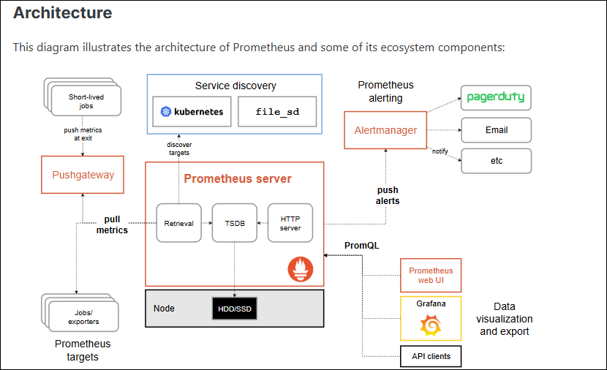
MONITORING

1. PROMETHEUS
2. GRAFANA
3. GRAFANA LOKI
4. AZURE MONITOR

Monitoring Tools
→ OPEN SOURCE → 1. Prometheus 2. Grafana 3. Grafana Loki
→ Paid | → Azure Monitor

1. Prometheus → Metrics → Numeric Values → Pull based
2. Grafana LOKI → Logs → Text based values → Push Based
3. Azure Monitor → Metrics + Logs → Text + Numeric Vaues →Push based

Agents
- Agents are small software installed in the machines which we want to monitor
- It is important that they’re running in target machine for continuous monitoring
Node Exporter → Prometheus
Azure Monitor Agent (AMA) → Azure Monitor
Grafana Agent → Grafana
Promtail → Grafana Loki

Push and Pull Model of Monitoring:
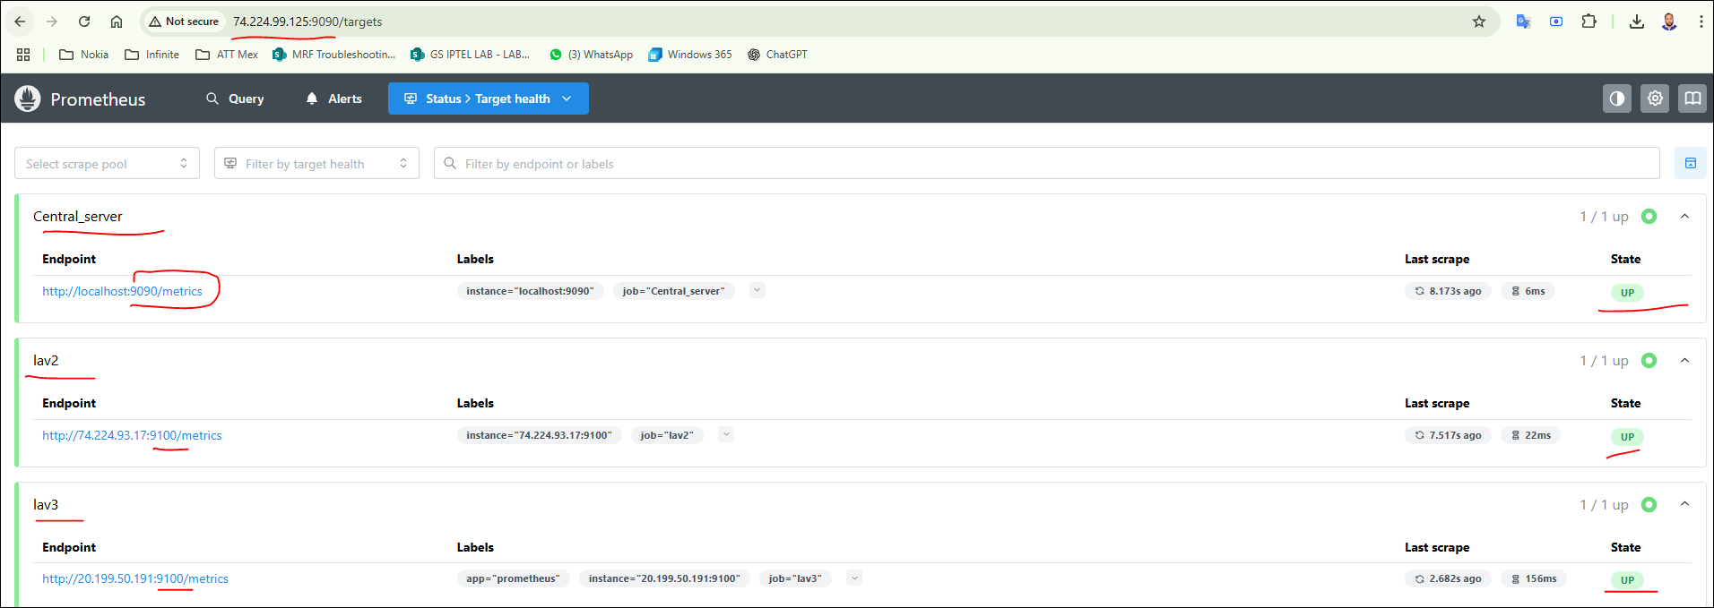
1. Push Model
Data Collection: Agents on the monitored systems automatically send metrics to a central collector.
2. Pull Model
Data Collection: A central collector periodically requests metrics from each monitored system.
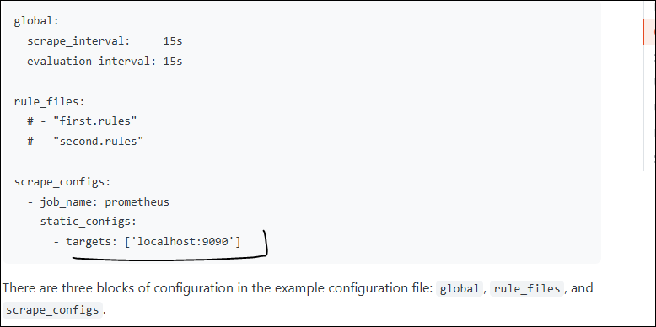
Prometheus
Steps to get started with Prometheus
0. Getting Started
→ https://prometheus.io/docs/prometheus/latest/getting_started/

1. Install 2 VMS in your Azure (optional)
→ Manually from portal, azure cli or use Terraform to provision VM creation
→ or use your local system as a 1st machine and create one 1 VM

2. Download & Install Prometheus in your system
→ https://prometheus.io/download/

→ Install it using some package manager like wget command
wget <downloadlink>

→ Example
wget https://github.com/prometheus/prometheus/releases/download/v3.4.0/prometheus-3.4.0.linux-amd64.tar.gz

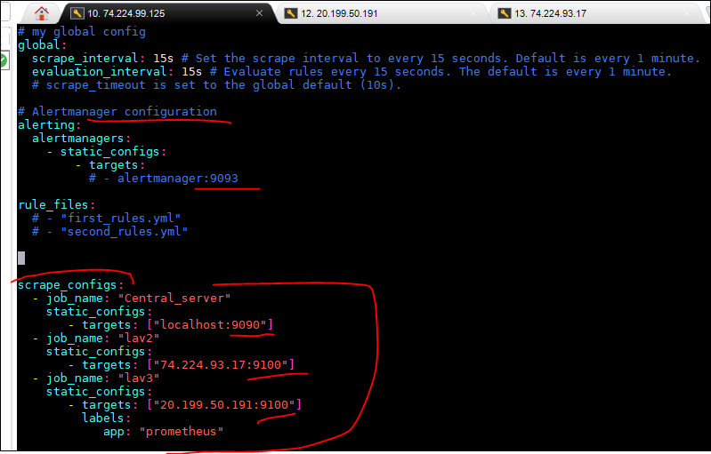
3. Unzip your Prometheus files
→ tar xvfz prometheus-*.tar.gz or In windows extract files

4. Change directory to extracted Directory
→ cd prometheus-* or In windows navigate to that folder

5. Check the Prometheus Version
→./prometheus –version

6. Start the Prometheus with the default yaml file
→./prometheus --config.file=prometheus.yml
 | ###This have 3 configuration : global, rule_files, and scrape_configs.
7. Default port – 9090 for prometheus

8. Visit http://localhost:9090 when installed locally in your local system
→ or change local host to your VMS ip address
→ Also If using NSG, enable port 9090 in Networking rules, else it might error out

9. http://localhost:9090/graph → shows the graph
https://localhost:9090/metrics --> Shows all the metrics

10. Configuring Prometheus to monitor Node Exporter
→ add a job inside scraps_configs key under prometheus.yml file
→ change the target with VM ip address + port no
→ static_configs:
- targets: [<vms-ipaddr>:<port-no>']

Node Exporter Steps:
Now inside 2nd Vm install the node exporter agent for all the target machines
→ Introduction to node exporter
https://prometheus.io/docs/guides/node-exporter/
→ link for installing node exporter
https://prometheus.io/download/#node_exporter
→ download the zip
→ then unzip it either using tar command or with unzip in windows
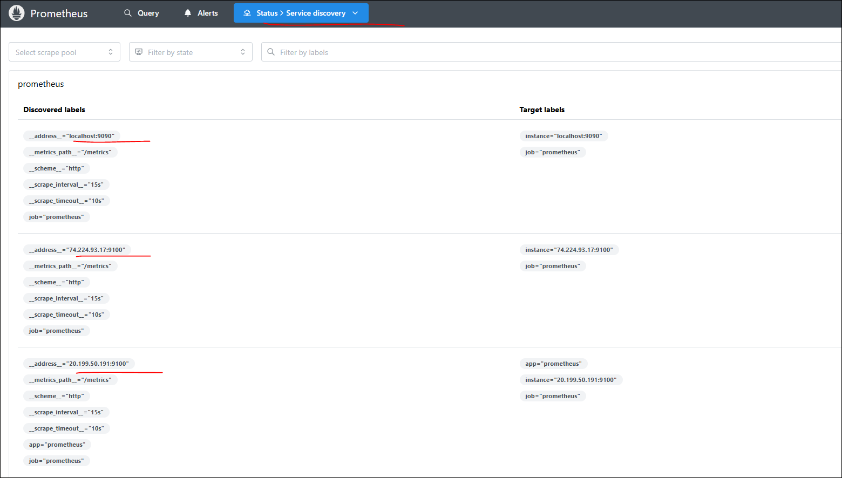
→ Navigate to Node Exporter folder using cd command or from UI
→ run ./node_exporter --version to check it is installed successfully
→ default port for node_exporter is 9100

Error Messages
1. When port 9100 was not enabled on my VMs for NSG
Error scraping target:
Get "http://20.227.115.171:9100/metrics": context deadline exceeded
2. Some command range in query is not working
Error executing query
invalid parameter "query": invalid expression type "range vector" for range query, must be Scalar or instant Vector
3. VMS was off?
Error scraping target:
Get "http://20.227.115.171:9100/metrics": dial tcp 20.227.115.171:9100: connection: No connection could be made because the target machine actively refused it.

4. Prometheus runs on port 9090 by default. If another process is using this port, Prometheus may fail to start. You can check for port conflicts with:
Important points for Prometheus:
1. Default port of Prometheus – 9090
2. Default port of Node Exporter – 9100
3. To get response from Node Exporter agent, it should be running in your target machine
4. To get response from Prometheus, it should be running in your source machine with the yml file
5. We can use wget command to download the zip file in linux, there are other ways too
6. Network setting should be unblocked 910,9090 in your VMs for promethues to be able to pull the metrics from target machine

Grafana
Steps to get started with Grafana
0. Getting started
https://grafana.com/docs/grafana/latest/getting-started/get-started-grafana-prometheus/

1. Default configure file for Grafana is
defaults.ini

2. Default port for Grafana is 3000

3. Download Grafana
https://grafana.com/grafana/download

4. Unzip your download files or use installer when standalone installer is used

5.

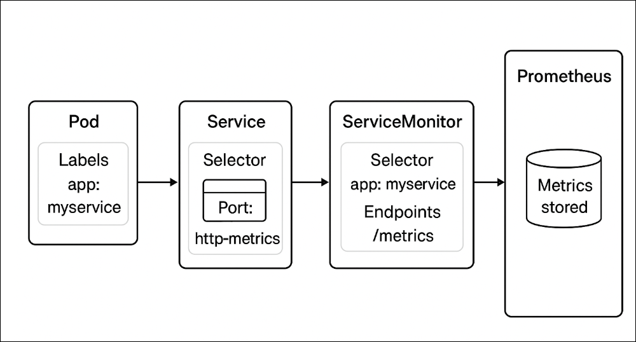

Extras
Dummy commands
1. wget https://github.com/prometheus/prometheus/releases/download/v3.4.0/prometheus-3.4.0.linux-amd64.tar.gz
2. ls
3. tar xvfz prometheus-*.tar.gz
4. ls
5. cd prometheus-3.4.0.linux-amd64/
6. ls
7. ./prometheus
8. ./prometheus --version
9. ./prometheus --help
10. ./prometheus --config.file="prometheus.yml"

 | DataDog
 | Datadog is a cloud-based monitoring and observability platform that helps you collect, visualize, and analyze metrics, logs, and traces from your infrastructure, applications, and services in one place.
 | Datadog is a SaaS-based monitoring, alerting, and observability platform that helps track metrics, logs, and traces across infrastructure, applications, and cloud services.
 | It gives a centralized view of system health, performance, and security.

 | How to Integrate Datadog

GitHub
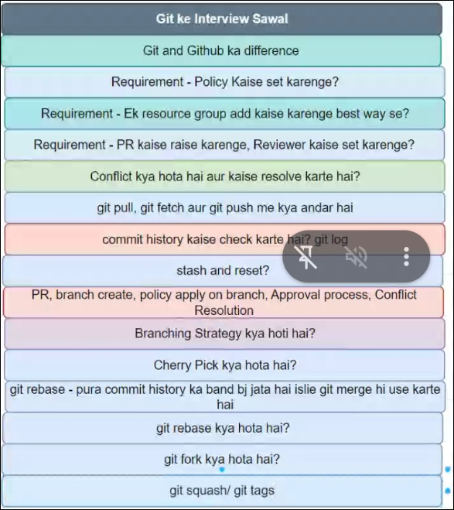
cheerypick , git pull, git fetch , git merger, git rebase , git fork
 | Git Command | Purpose | Example
What is Git? | git init | Initialize a new Git repository | git init
Git is distributed version control system where we have a local database as well as a remote database to track file changes. | git clone <url> | Clone a repository | git clone https://github.com/user/repo.git
A distributed version control system to track changes in source code and collaborate on projects. | git status | Show the working directory status | git status
 | git add <file> | Stage file(s) for commit | git add index.html
What is version control system ( VCS) ? | git add . | Stage all changed files | git add .
A Version Control System (VCS) is a tool that helps developers by saving/managing changes to source code over time. | git commit -m "message" | Commit changes with a message | git commit -m "Initial commit"
Types of Version control System | git push | Push local changes to remote repository | git push origin main
1. local version control system(LVCS) --> in this code and database both are on local system | git pull | Fetch and merge changes from remote | git pull origin main
2. Centralized Version Control System (CVCS) --> In this database is stored in a central server. Developers pull from and push code to this central repo. But there is problem i.e. Single point of failure. Means if central server is dead you can't recover your database | git log | View commit history | git log
3. Distributed Version Control System (DVCS) --> in this, database is at your local system as well as at central server. Changes can be committed locally and pushed later. | git branch | List all branches | git branch
 | git checkout <branch> | Switch to a different branch | git checkout develop
How do you initialize a Git repository? | git merge <branch> | Merge a branch into the current branch | git merge feature-1
git init — sets up a new Git repo in your project directory. | git remote -v | Show remote repository URLs | git remote -v
 | git diff | Show differences between files | git diff
What is a commit in Git? | git config | Set Git configuration values | git config --global user.name "John"
A snapshot of your changes, recorded in the repo history using git commit. Git commit -m "put some comment " it wil generate a commit id (A unique commit ID (SHA hash)) | git rebase | Reapply commits on top of another base tip | git rebase main
 | git cherry-pick | Apply a single commit from one branch to another | git cherry-pick abc1234
How do you create a new branch in Git? | git stash | Temporarily save uncommitted changes | git stash / git stash pop
git branch <branch-name> — creates a new branch from the current commit. git checkout -b <newbranch> -- > also do checkout from 1 branch and parallely create a new branch by using | git hook | Trigger custom scripts before/after Git events (pre-commit, post-merge etc.) | e.g., .git/hooks/pre-commit
 | git reflog | Show history of branch movements (even deleted commits) | git reflog
How do you switch between branches in Git? | git bisect | Binary search to find the commit that introduced a bug | git bisect start / git bisect good / bad
git checkout <branch-name> or git switch <branch-name>. | git blame | Show who last modified each line of a file | git blame app.py
 | git shortlog | Summary of commits per author | git shortlog -s -n
What is the purpose of the .gitignore file? | git log --stat | Show changes made in each commit with stats | git log --stat
To exclude files/folders (like logs, temp, .exe files) from being tracked by Git. | git analyze (custom) | Analyze repository size, contributors (not native command) | Use git log, cloc, or third-party tools

What is the difference between git pull and git fetch?
git fetch: it download changes from remote but doesn’t merge them into your local branch. It is Safe way to preview changes before applying them. After fetch, you can view differences using: -> git diff origin/main
git pull: Downloads and merges changes into your current branch. Fetches + auto merges into current branch. | git fetch vs git pull
 | fetch: Downloads changes from remote, does not merge into your current branch
How do you view the commit history in Git? | pull: Fetches + Git automatically merges remote changes into current branch . git fetch + git merge
git log — shows commit history with hash, author, date, and message.
git log --state --> and git log --oneline | git pull vs git pull --rebase
What is a merge conflict in Git, and how do you resolve it? / How to solve git conflict? | pull: Merge commits (e.g., Merge branch 'main')
When changes clash during merge; resolve manually, then git add + git commit. | pull --rebase: Fetches + rebases your local commits on top of remote Linear history (re-applies your commits on top of fetched ones)
Git conflicts happen when:
Two branches modify the same line(s) in a file. A file is modified in one branch and deleted/re-modify in another branch. | merge vs rebase
When you try to merge branch that time Git will report a conflict and list conflicted files and git will add marker on that line git merge feature/branch . . . <<<<<<< HEAD Your changes on current branch ======= Changes from feature-branch >>>>>>> feature-branch | merge: Keeps all history + shows merge points.
To Solve Git Conflict | rebase: Clean history, better for review but changes commit IDs (rewrites history). Moves/rewrites commits from one branch onto another
1. run "git status" to get the file name where is conflict 2. Open that file in VS code 3. You can manaually edit that file or In Vs code: conflict will show 3 options -> 1. Accept the current changes ( means it will keep existing file data) 2. Accept the incoming changes ( it will update the new file data ) 3. accept both changes ( it will add keep existing line + also add new file ine) 4. then run git add 5. then git commit -m " put some comment" 6. git merge
 | git rebase vs git cherry-pick:
What is the difference between git reset and git revert? | git rebase main : Moves all commits from the current branch on top of main. Moves entire branch/series of commits to a new base
reset: Moves HEAD and deletes history (Dangerous & destructive). Or Moves the branch pointer backward to a previous commit. Deletes commits from history (locally). It Can modify staging area and working directory depending on the mode (--soft, --mixed, --hard). git reset --hard <commit-id> | git cherry-pick <commit-hash> : Copies one or more specific commits from one branch to another
revert: Creates a new commit that undoes changes (safe for shared repos). Keeps full commit history intact. git revert <commit-id>

How do you undo the last commit in Git?
git reset --soft <commit-id> (keep changes). / Removes the last commit & Keeps your changes staged
git reset --mixed <commit-id> (discard changes). / Removes the last commit & Keeps changes in your working directory but unstaged.
git reset --hard <commit-id> (discard changes). /Deletes the commit and all changes permanently.
Why not use git revert to undo the last commit? --> git revert doesn't delete the last commit — it adds a new commit. New commit will reflect in the history.

What is Git stash & What is the purpose of the git stash command?
Temporarily saves uncommitted changes so that you can work on something else.
**Git stash** is a command used to temporarily save "your uncommitted changes (both staged and unstaged)" ( you’ve made in your working directory without committing them ). It allows you to switch to another branch or task without losing your current work. Later, you can reapply those changes with `git stash apply` when you're ready.
git stash -> save chages git stash list --> See stash list git stash apply --> Apply the latest stash: git stash pop --> Apply and remove from stash: git stash clear --> Delete all stashes:
Example :- how to use it here you are working any code then run git stash git checkout main # switch to main branch ( other branch) # fix something # now work done here , want to go back on your last working branch git checkout feature/task1 ( checkin to your working branch where you save uncommited changes) git stash pop #it will apply changes and remove from stash

What is Git hooks
Git hooks are scripts that run automatically at certain points in the Git workflow. like before committing or after merging. Git hooks allow you to automate tasks like below & This ensures consistent code quality and adherence to project standards without manual intervention. Checking code before commits - Running tests before pushing Enforcing naming rules / policies Where are they located? --> In every Git repo under: .git/hooks/ Common Hook Types: Hook Trigger Point pre-commit Before a commit is made commit-msg After writing a commit message pre-push Before pushing to remote

What is git Cherrypick
**Git cherry-pick** --> with this you can apply a specific commit from one branch to another, bypassing other commits. This is useful when You fixed a bug in feature/branch and want to apply just that one commit to main, without merging the whole branch.
Eample ---> Working here # Switch from bug fixed branch to target/main branch git checkout main # Apply a specific commit git cherry-pick <commit-id> # Commit ID in feature-branch is: a1b2c3d git checkout main git cherry-pick a1b2c3d This creates a new commit on main with the same changes from that commit. Avoid cherry-picking merge commits — they’re tricky. Can cause conflicts, which you'll need to resolve manually.

What are the Branching strategy in git
**Branching strategies** in Git help manage how code changes are organized and integrated. Common strategies include: 1. **Feature Branching**: Create separate branches for each new feature or bug fix, merging them into the main branch when ready. 2. **Git Flow**: Use specific branches for features, releases, and hotfixes, with a structured approach to integrating changes. 3. **GitHub Flow**: Simplify with just a main branch and feature branches, focusing on continuous integration and deployment. These strategies help streamline development and maintain code quality.

What is Git rebase
**Git rebase** is a command used to move or combine commits from one branch onto another, updating the base of your branch. This helps create a cleaner, linear history by incorporating changes from the target branch. It’s like moving your work to sit on top of the latest version of the project.

What is Git reflog
**Git reflog** is a command that shows a log of all recent actions in your Git repository, including changes to branches and commits. It helps you recover lost commits or branches by displaying a history of actions, even if they are not part of the current branch history. It's like a record of all the changes made, which you can use to undo mistakes or find previous states.

What is Git bisect
**Git bisect** is a tool for finding the specific commit that introduced a bug by performing a binary search. You mark a commit as "good" (where the bug is absent) and another as "bad" (where the bug is present), and Git bisect helps you narrow down which commit caused the issue. It efficiently isolates the problematic commit by testing each commit in between.

What is Git alayasis
It seems there might be a typo or misunderstanding with "Git alayasis." If you meant **Git analysis**, it involves reviewing and examining the history, branches, and changes in a Git repository. This helps understand code evolution, track contributions, and identify issues or trends in the project’s development.

What is difference between merge and pull
**Merge** combines changes from one branch into another, integrating all commits and preserving their history. **Pull** is a command that fetches changes from a remote repository and then merges them into your current branch. Essentially, pull is a two-step process that updates your branch with remote changes, while merge just combines local branches.

how do we add manual approval in Git while raising the Pull request.
To add manual approval to a pull request in Git, you typically use a code hosting platform like GitHub or GitLab. You configure **required reviews** or **approval rules** in the repository settings, specifying who must review and approve the pull request before it can be merged. This ensures that changes are reviewed by designated team members for quality and compliance.

Assume Developer just pushed code to repo, Explain all the steps required to automate the Deployment of an application
After a developer pushes code to the repository, the automation steps for deployment typically include: 1. **CI/CD Pipeline Trigger**: The push triggers a Continuous Integration (CI) pipeline to build and test the code. 2. **Automated Testing**: Run automated tests to ensure the code works correctly and doesn’t break existing features. 3. **Deployment**: If tests pass, the Continuous Deployment (CD) pipeline automatically deploys the application to a staging or production environment. This process ensures code changes are built, tested, and deployed automatically, reducing manual work and speeding up delivery.

What is the difference between git merge and git rebase?
merge: Keeps commit history with a merge commit. | Azure YAML Pipeline | GitHub Actions
rebase: Rewrites history for cleaner linear commits. | trigger: | on:
 | pr: | on: pull_request
What is a Git submodule, and how do you use it? | pool: | runs-on:
A sub-repo inside your main repo. Add with git submodule add <repo-url>. | variables: | env:
 | parameters: | inputs: (in workflow_call or workflow_dispatch)
How do you handle large files in Git? | jobs: | jobs:
Use Git LFS (Large File Storage) to manage large binaries efficiently. | steps: | steps:
 | task: (built-in tasks) | uses: (for actions)
What is the purpose of git cherry-pick? | script: | run:
To apply a specific commit from one branch to another. | stages: | (Not directly supported — use separate jobs or workflows)
 | dependsOn: | needs:
How do you rename a branch in Git? | condition: | if:
Current branch: git branch -m <new-name> | template: | uses: (reusable workflow)
 | name: | name:
Remote: git push origin :old-name <new-name> + git push --set-upstream origin <new-name> | displayName: | name:
 | checkout: self | uses: actions/checkout@v3
What is the difference between git pull --rebase and git pull? | publish: (artifacts) | uses: actions/upload-artifact@v3
...

5. K8s
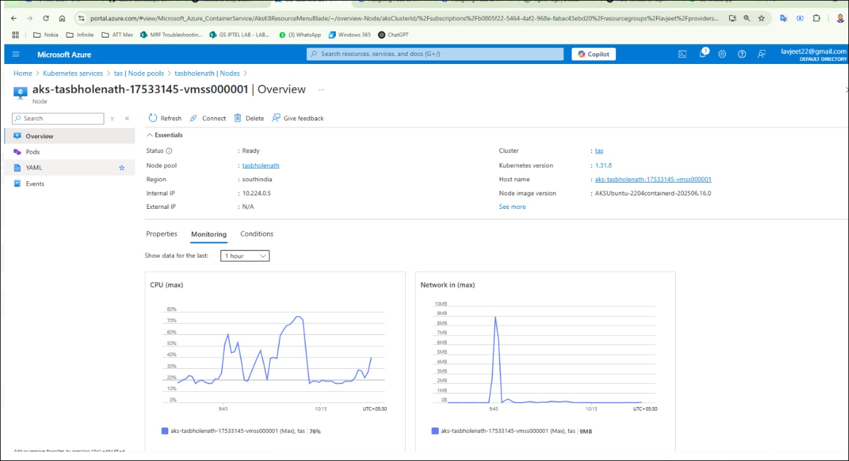
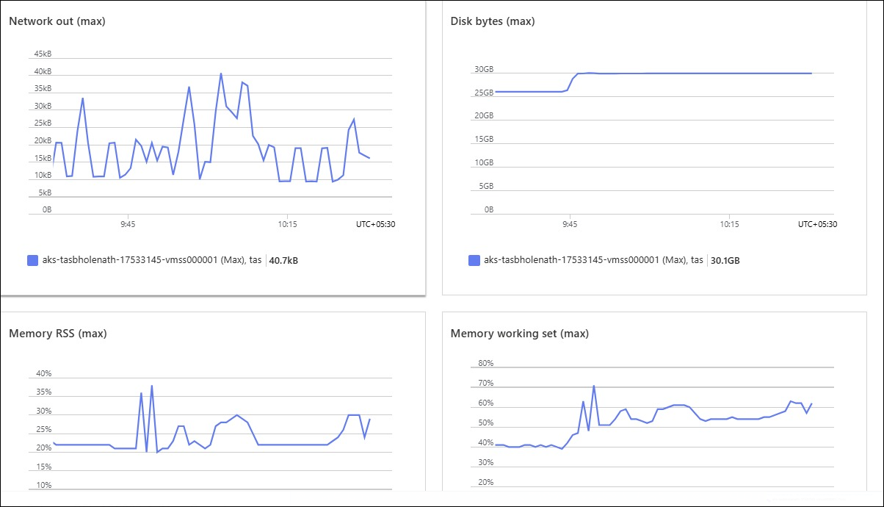
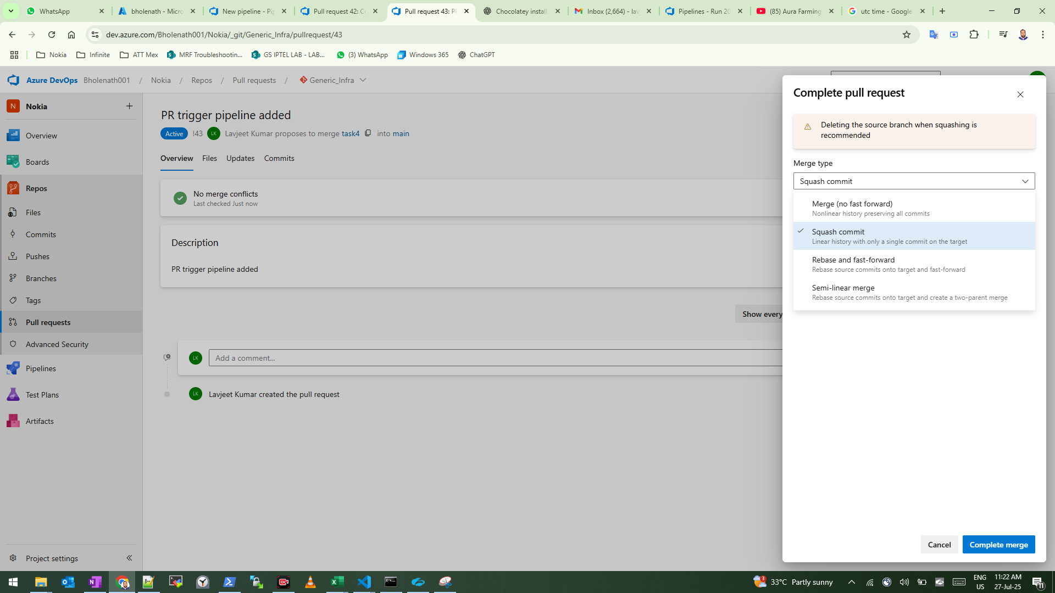
...
you can also check and monitor your any worker node from azure ---> go to k8s cluster and select your cluster --> setting --> node pool --> select your node pool -> nodes--> select any node-->overview --> go down and check montioring

3. CI CD Pipeline
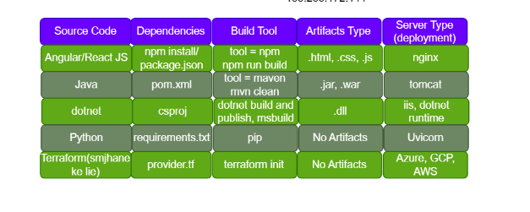
...
31 | Aspect : Description
 | Authentication Methods : During app registration, specify how the application authenticates to Azure AD, including client secrets, certificates, or managed identities.
 | Permissions and Roles : Define the permissions needed by the application to access specific Azure resources. Permissions are assigned through roles like Contributor or Reader.
 | Redirect URIs : For applications involving user sign-ins, define redirect URIs used to redirect users back to the application after authentication.
 | Application and Directory IDs : Each app registration has a unique Application (Client) ID and belongs to a specific Azure AD directory identified by a unique Directory (Tenant) ID. These IDs are used for authentication and authorization.
 | API Permissions : Specify API permissions if the application needs to access other APIs (e.g., Microsoft Graph API). Ensures authorization to make requests to these APIs.
 | Certificates and Secrets : Configure certificates or client secrets based on the chosen authentication method. Used for authenticating the application when accessing Azure resources.
 | Service Principals : An app registration automatically creates a service principal in Azure AD. The service principal is an instance representing the runtime identity of the application.
 | Managed Identities : App registrations can be associated with managed identities for simplified authentication. Managed identities are automatically created identities associated with Azure resources.
 | Delegated Permissions : Define delegated permissions for applications acting on behalf of users, allowing them to access resources on behalf of users.

